Game structure
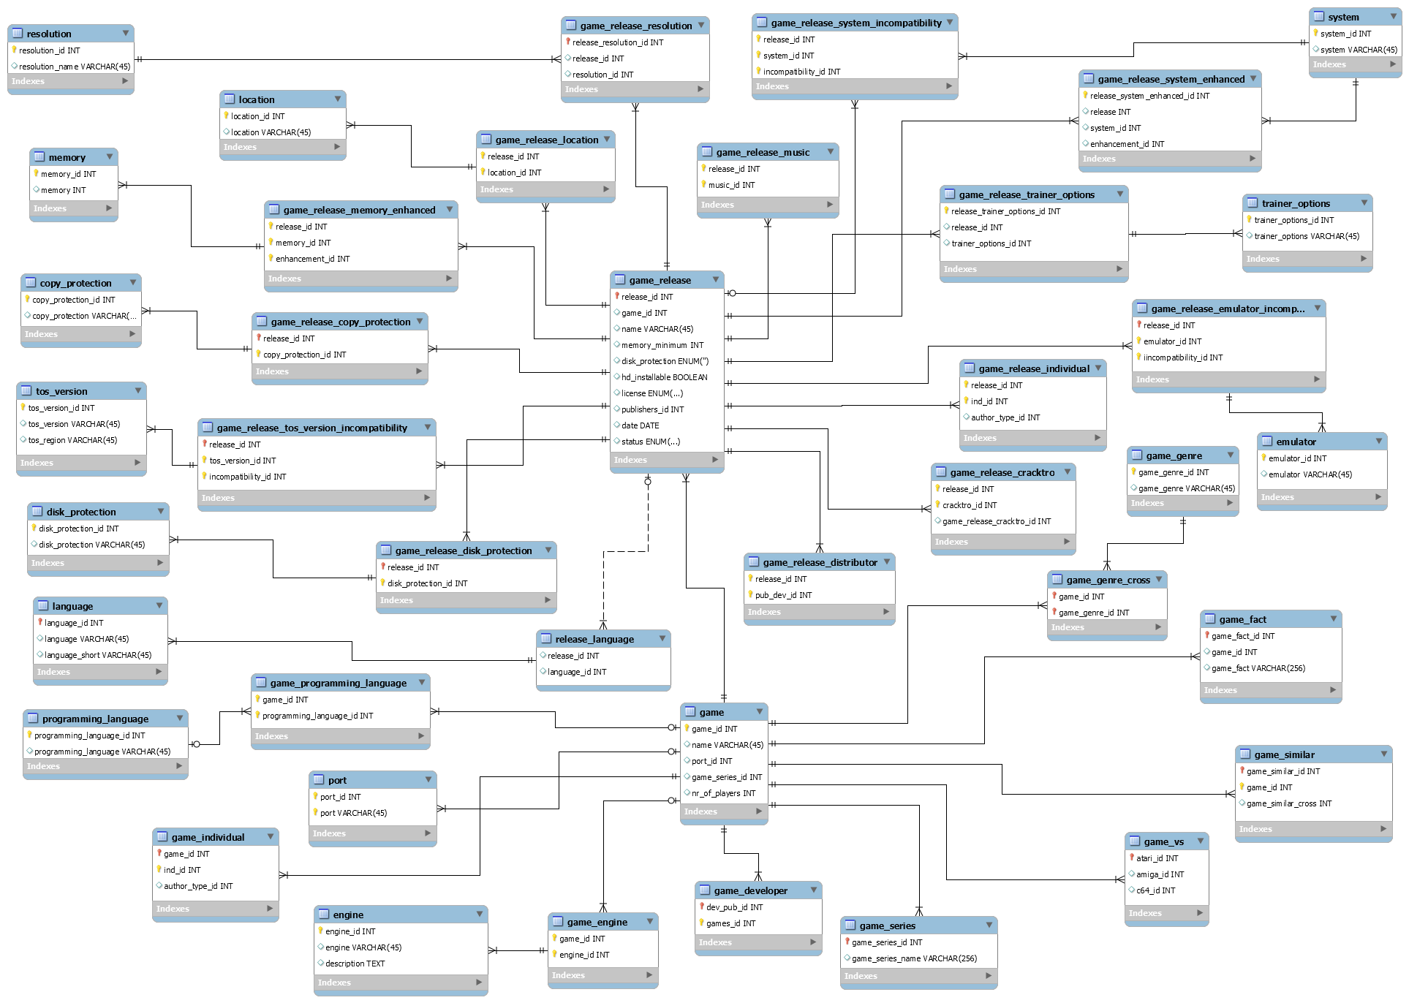

Table | Info | Fields | Explanation | Extra
game | This is the main game table which everything will be connected with | port_id | Is the game a port (from an Arcade or another system) | A game is a port from a single origin system (The system the game appeared on first)
 |  | nr_of_players | How many players can play the game together | A game has a single count of maximum players
 |  | game_series_id | A game is part of a single series | eg. Turrican, Ultima, ...
game_programming_language | This is the cross table between the game and its programming language(s)
programming_language | The table which holds all programming languages. Eg C, STOS, ASM, GFA...A game can be a mix of STOS + ASM
Port | From which system is this game ported (C64, Amiga, Arcade)
game_individual | This is the cross table between the game and its creators/individuals. This table also contains the link to the author_type table (programmer, graphics artist, Musician ...)
game_engine | the cross between the game and the engine tabel
engine | What engine was the game built with eg. STOS, STAC, SEUCK ... A game can only be build with 1 engine
game_developer | The cross table between the game and the developer table
game_series | This table contains the series of games (Lotus trilogy, Star Wars trilogy, Ishar trilogy...) and is linked directly to the game table
game_vs | This table contains the game_ids of other versions on other web sites. This table is used to link our games with Lemon Amiga and Lemon 64
game_similar | This is a cross to the game table itself which links to games of a similar nature | game_similar_cross | contains a game_id
game_fact | This table can contain titbits of info regarding a game.
game_genre_cross | This is the cross table between the game and its genre, A game can be part of multiple genres,
game_genre | The table which holds all the genres eg. Action, platformer, adventure

